Instructions
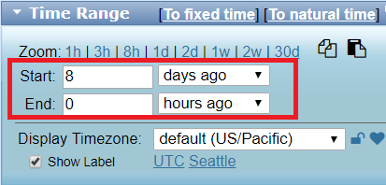
Site Setup |  |  | INITIAL SETUP ONLY (For Site Repeated Use):
 |  |  | To be performed by a excel competent individual.
On the Site Setup sheet
 |  |  |  | On the Site Setup sheet

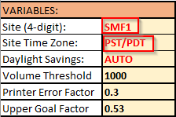
Change the site to YOUR site.
 |  |  |  | Label the SLAM and Smartpac Lines with line descriptions. (Names will auto populate)

Version Key |  |  |  | On the SLAM REPORT sheet

On the Site Setup sheet

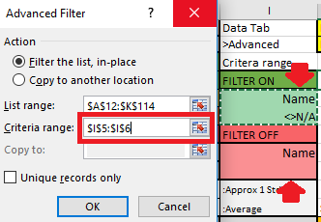
 |  |  |  | Hide all unused lines.
 |  |  |  | On 'Data' Tab at the top, click Advanced. |  |  |  | List Range: | $A$12:$K$114
Enter the latest Version Key | Get the latest version key from: |  |  |  |  |  |  | Criteria Range (Choose One):
 | https://w.amazon.com/bin/view/SLAM-Report/ |  |  |  |  |  |  |  | $I$5:$I$6 | Filter ON
 |  |  |  |  |  |  |  |  | $I$8:$I$9 | Filter OFF

 |  |  | "Save As" the file to include your site i.e. 'SLAM Report V5.21 DSM5'
Single Day/Hourly Report

On the Site Setup sheet |  |  |  |  | Direct Data Links
 |  |  |  |  | Enter your Site and Time zone.

Copy the link for the iGraph Data and Paste it into the browser.

 |  |  |  |  | Open the link: |  | https://tiny.amazon.com/

 |  |  |  |  | Copy the iGraph link that was created for your site.

Choose your time range:
+ Option 1: Relative time
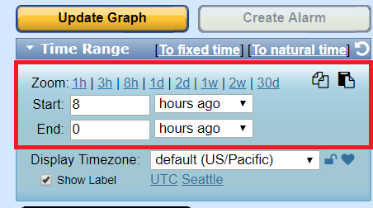

 |  |  |  |  | In your browser at tiny.amazon.com
 |  |  |  |  | Paste your URL and add a comment (if you want).
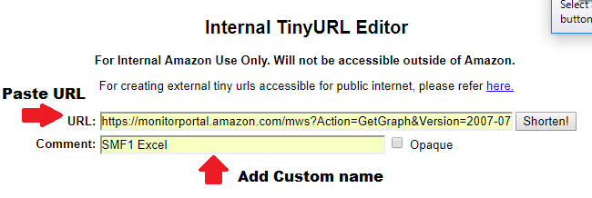

+ Option 2: Switch to fixed time |  | Choose your fixed time range
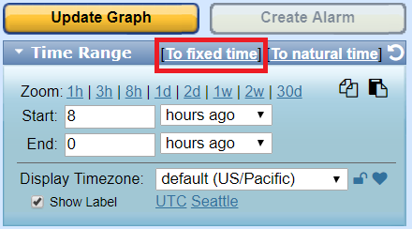
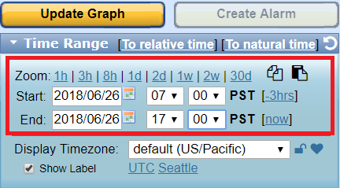

 |  |  |  |  | Shorten!, then copy the link
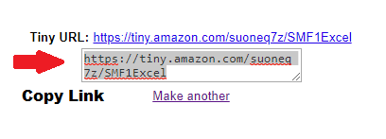

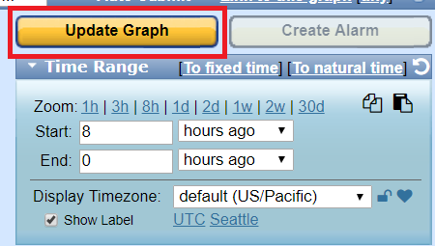
After you change the time, you must Update Graph.
 |  |  |  |  | Paste the download link in the Site Setup Sheet

 |  |  |  |  | Change the title of your link to match your site and data

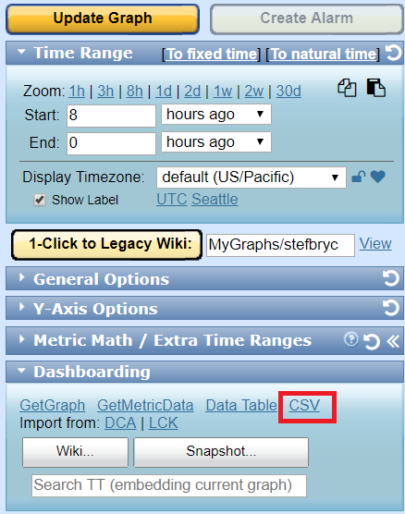
Download the data file.
Choose the CSV from the Dashboarding dropdown.
 |  |  |  |  | "Save As" the file to include your site i.e. 'SLAM Report V5.21 DSM5'

 |  |  |  |  | NOTE: you can create a custom period for your report

 |  |  |  |  | On the desired report dates:
 |  |  |  |  |  | [1] Right-Click on CSV under Dashboarding
 |  |  |  |  |  | [2] Choose 'Copy link address'
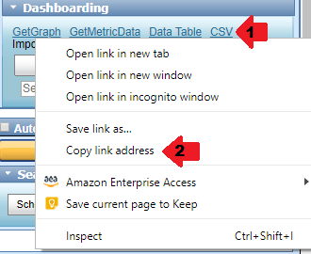

Open the downloaded file and select all cells by clicking the top left corner. Copy the cells.
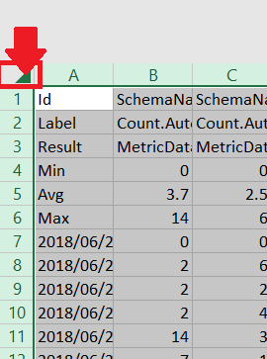

Return to the SLAM Report and choose the DATA sheet

Select all cells of the SLAM Report DATA by clicking the top left corner. Paste the cells.

Return to the SLAM REPORT sheet. DONE! Repeat this process for OP and Smartpac Data

Multi Day/Weekly Report

Follow the above steps with the Daily Data link

IMPORTANT: You must select a period of 8 days to get 7 days worth of data. These are full days worth of data.

